How to use this tool
 | 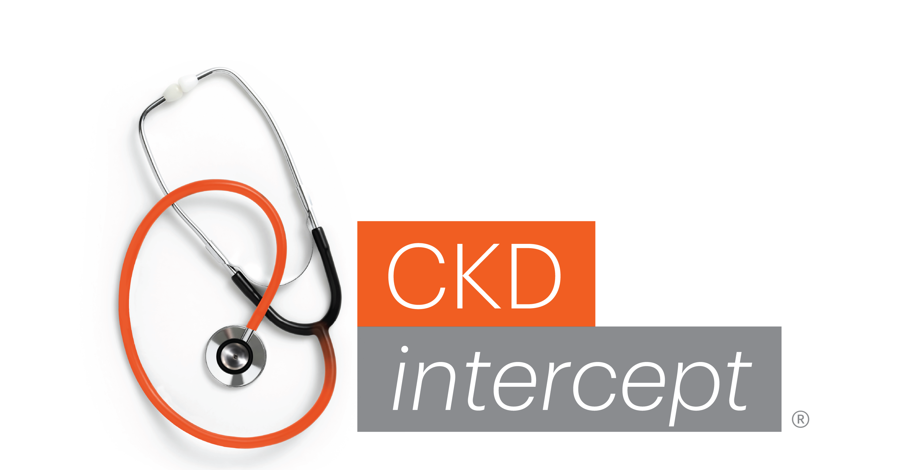
Estimate Return on Investment through Improved CKD Care
The purpose of this document is to provide a methodology by which a healthcare institution can evaluate the potential financial impact that may arise from improved CKD care in primary care. The data utilized in this tool arises from several evidence-based models that have been published in peer-reviewed journals. The calculations provided here employ a conservative approach to generating the estimates. To make the estimates as meaningful as possible, we recommend that actual institutional data be employed, where possible. Suggestions for identifying the data employed in these calculations include:
- Information regarding the total population served by your institution may be found in your organization's community needs assessment or annual report.
- Data regarding the rate of CKD diagnosis in your institution can be identified in several ways:
1. Use the NKF CKD Data Strategy to obtain data regarding rates of CKD testing from your electronic health record system. If existing CKD registries are already in place, suggest comparing the logic used to create these with NKF's recommended approach to ensure comprehensive capture of the CKD population.
2. External laboratory partners (i.e., LabCorp, Quest, Sonic, etc.) can provide information regarding the rate of CKD diagnosis in your institution. Many laboratories have data tools that can offer insight regarding care gaps.
3. CKD Spotlight can provide data regarding CKD testing, CKD diagnosis, and use of guideline-directed medical therapies among people with CKD. To find data regarding the quality of CKD care in your community, scroll to the right side of your screen and select DASHBOARD. Click your state on the map on the sidebar and navigate to the state or core-based statistical area that includes your institution.
•DIAGNOSIS: Scroll down the page to CKD diagnosis. Toggle through payor types (found on left sidebar) to determine the rate of diagnosis that works best for your population. National estimates suggest that the current rate of CKD identification among adults 18 - 85 years of age (yoa) with laboratory evidence of CKD is 12% (Szczech et al).
This tool is broken into several sections, click on the tabs at the bottom of the spreadsheet to move to the next section. Applicable data from the previous section will autopopulate, so please complete each section in numeric order. To ensure functioning of the tool, most fields are locked, using formulas and logic to autofill data.

"This content was supported by Cooperative Agreement Number CDC-RFA-DP-23-0021, funded by the Centers for Disease Control and Prevention. Its contents are solely the responsibility of the authors and do not necessarily represent the official views of the Centers for Disease Control and Prevention or the Department of Health and Human Services."

Click for additional instructions and screenshots for navigating CKD Spotlight

 |  | NEXT

Citation/Reference
Szczech LA, Stewart RC, Su HL, et al. Primary care detection of chronic kidney disease in adults with type-2 diabetes: the ADD-CKD Study (awareness, detection and drug therapy in type 2 diabetes and chronic kidney disease). PLoS One. 2014;9(11):e110535. doi:10.1371/journal.pone.0110535

